Vintage Analysis
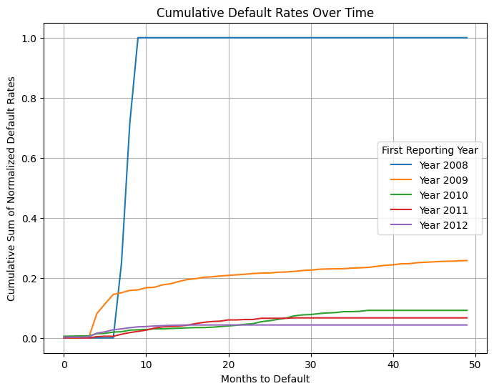
First_Reporting | 2008 | 2009 | 2010 | 2011 | 2012 | 2013 | First_Reporting | 2008 | 2009 | 2010 | 2011 | 2012 | 2013
Months_to_Default |  |  |  |  |  |  | Months_to_Default
0 | 0 | 0 | 5 | 0 | 4 | 0 | 0 | 0 | 0 | 0.0054 | 0 | 0.002268 | 0
2 | 0 | 0 | 1 | 0 | 1 | 0 | 2 | 0 | 0 | 0.006479 | 0 | 0.002834 | 0
3 | 0 | 0 | 0 | 0 | 1 | 1 | 3 | 0 | 0 | 0.006479 | 0 | 0.003401 | 0.001658
4 | 0 | 170 | 7 | 3 | 22 | 2 | 4 | 0 | 0.080991 | 0.014039 | 0.004087 | 0.015873 | 0.004975
5 | 0 | 69 | 1 | 1 | 8 | 1 | 5 | 0 | 0.113864 | 0.015119 | 0.00545 | 0.020408 | 0.006633
6 | 0 | 65 | 4 | 0 | 12 | 1 | 6 | 0 | 0.144831 | 0.019438 | 0.00545 | 0.027211 | 0.008292
7 | 27 | 12 | 1 | 5 | 5 | 0 | 7 | 0.25 | 0.150548 | 0.020518 | 0.012262 | 0.030045 | 0.008292
8 | 50 | 16 | 5 | 4 | 7 | 0 | 8 | 0.712963 | 0.158171 | 0.025918 | 0.017711 | 0.034014 | 0.008292
9 | 31 | 4 | 1 | 3 | 5 | 0 | 9 | 1 | 0.160076 | 0.026998 | 0.021798 | 0.036848 | 0.008292
10 | 0 | 15 | 1 | 3 | 2 | 0 | 10 | 1 | 0.167222 | 0.028078 | 0.025886 | 0.037982 | 0.008292
11 | 0 | 3 | 2 | 5 | 3 | 0 | 11 | 1 | 0.168652 | 0.030238 | 0.032698 | 0.039683 | 0.008292
12 | 0 | 17 | 0 | 3 | 2 | 0 | 12 | 1 | 0.176751 | 0.030238 | 0.036785 | 0.040816 | 0.008292
13 | 0 | 8 | 1 | 1 | 2 | 0 | 13 | 1 | 0.180562 | 0.031317 | 0.038147 | 0.04195 | 0.008292
14 | 0 | 16 | 1 | 1 | 1 | 0 | 14 | 1 | 0.188185 | 0.032397 | 0.03951 | 0.042517 | 0.008292
15 | 0 | 13 | 1 | 2 | 1 | 0 | 15 | 1 | 0.194378 | 0.033477 | 0.042234 | 0.043084 | 0.008292
16 | 0 | 6 | 1 | 4 | 0 | 0 | 16 | 1 | 0.197237 | 0.034557 | 0.047684 | 0.043084 | 0.008292
17 | 0 | 10 | 0 | 3 | 0 | 0 | 17 | 1 | 0.202001 | 0.034557 | 0.051771 | 0.043084 | 0.008292
18 | 0 | 3 | 1 | 2 | 0 | 0 | 18 | 1 | 0.20343 | 0.035637 | 0.054496 | 0.043084 | 0.008292
19 | 0 | 6 | 2 | 1 | 0 | 0 | 19 | 1 | 0.206289 | 0.037797 | 0.055858 | 0.043084 | 0.008292
20 | 0 | 4 | 2 | 3 | 0 | 0 | 20 | 1 | 0.208194 | 0.039957 | 0.059946 | 0.043084 | 0.008292
21 | 0 | 4 | 2 | 0 | 0 | 0 | 21 | 1 | 0.2101 | 0.042117 | 0.059946 | 0.043084 | 0.008292
22 | 0 | 4 | 3 | 1 | 0 | 0 | 22 | 1 | 0.212006 | 0.045356 | 0.061308 | 0.043084 | 0.008292
23 | 0 | 5 | 2 | 0 | 0 | 0 | 23 | 1 | 0.214388 | 0.047516 | 0.061308 | 0.043084 | 0.008292
24 | 0 | 3 | 6 | 3 | 0 | 0 | 24 | 1 | 0.215817 | 0.053996 | 0.065395 | 0.043084 | 0.008292
25 | 0 | 1 | 3 | 0 | 0 | 0 | 25 | 1 | 0.216293 | 0.057235 | 0.065395 | 0.043084 | 0.008292
26 | 0 | 5 | 4 | 0 | 0 | 0 | 26 | 1 | 0.218676 | 0.061555 | 0.065395 | 0.043084 | 0.008292
27 | 0 | 2 | 4 | 0 | 0 | 0 | 27 | 1 | 0.219628 | 0.065875 | 0.065395 | 0.043084 | 0.008292
28 | 0 | 4 | 7 | 1 | 0 | 0 | 28 | 1 | 0.221534 | 0.073434 | 0.066757 | 0.043084 | 0.008292
29 | 0 | 6 | 3 | 0 | 0 | 0 | 29 | 1 | 0.224393 | 0.076674 | 0.066757 | 0.043084 | 0.008292
30 | 0 | 3 | 1 | 0 | 0 | 0 | 30 | 1 | 0.225822 | 0.077754 | 0.066757 | 0.043084 | 0.008292
31 | 0 | 6 | 3 | 0 | 0 | 0 | 31 | 1 | 0.22868 | 0.080994 | 0.066757 | 0.043084 | 0.008292
32 | 0 | 2 | 2 | 0 | 0 | 0 | 32 | 1 | 0.229633 | 0.083153 | 0.066757 | 0.043084 | 0.008292
33 | 0 | 1 | 1 | 0 | 0 | 0 | 33 | 1 | 0.23011 | 0.084233 | 0.066757 | 0.043084 | 0.008292
34 | 0 | 1 | 3 | 0 | 0 | 0 | 34 | 1 | 0.230586 | 0.087473 | 0.066757 | 0.043084 | 0.008292
35 | 0 | 4 | 0 | 0 | 0 | 0 | 35 | 1 | 0.232492 | 0.087473 | 0.066757 | 0.043084 | 0.008292
36 | 0 | 2 | 1 | 0 | 0 | 0 | 36 | 1 | 0.233444 | 0.088553 | 0.066757 | 0.043084 | 0.008292
37 | 0 | 3 | 3 | 0 | 0 | 0 | 37 | 1 | 0.234874 | 0.091793 | 0.066757 | 0.043084 | 0.008292
38 | 0 | 7 | 0 | 0 | 0 | 0 | 38 | 1 | 0.238209 | 0.091793 | 0.066757 | 0.043084 | 0.008292
39 | 0 | 7 | 0 | 0 | 0 | 0 | 39 | 1 | 0.241544 | 0.091793 | 0.066757 | 0.043084 | 0.008292
40 | 0 | 4 | 0 | 0 | 0 | 0 | 40 | 1 | 0.243449 | 0.091793 | 0.066757 | 0.043084 | 0.008292
41 | 0 | 7 | 0 | 0 | 0 | 0 | 41 | 1 | 0.246784 | 0.091793 | 0.066757 | 0.043084 | 0.008292
42 | 0 | 1 | 0 | 0 | 0 | 0 | 42 | 1 | 0.247261 | 0.091793 | 0.066757 | 0.043084 | 0.008292
43 | 0 | 7 | 0 | 0 | 0 | 0 | 43 | 1 | 0.250596 | 0.091793 | 0.066757 | 0.043084 | 0.008292
44 | 0 | 3 | 0 | 0 | 0 | 0 | 44 | 1 | 0.252025 | 0.091793 | 0.066757 | 0.043084 | 0.008292
45 | 0 | 3 | 0 | 0 | 0 | 0 | 45 | 1 | 0.253454 | 0.091793 | 0.066757 | 0.043084 | 0.008292
46 | 0 | 3 | 0 | 0 | 0 | 0 | 46 | 1 | 0.254883 | 0.091793 | 0.066757 | 0.043084 | 0.008292
47 | 0 | 1 | 0 | 0 | 0 | 0 | 47 | 1 | 0.25536 | 0.091793 | 0.066757 | 0.043084 | 0.008292
48 | 0 | 3 | 0 | 0 | 0 | 0 | 48 | 1 | 0.256789 | 0.091793 | 0.066757 | 0.043084 | 0.008292
49 | 0 | 2 | 0 | 0 | 0 | 0 | 49 | 1 | 0.257742 | 0.091793 | 0.066757 | 0.043084 | 0.008292

Data Waterfall
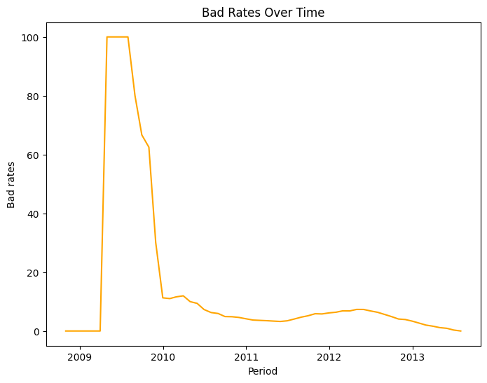
 | PERIOD | Total no of accts | MOB < 6 | DPD >= 4 | Accts after exclusion | Bad | Good | Bad Rate (in %)
0 | 2008-10-31 | 28 | 28 | 0 | 0 | 0 | 0 | 0
1 | 2008-11-30 | 74 | 74 | 0 | 0 | 0 | 0 | 0
2 | 2008-12-31 | 99 | 99 | 0 | 0 | 0 | 0 | 0
3 | 2009-01-31 | 128 | 128 | 0 | 0 | 0 | 0 | 0
4 | 2009-02-28 | 156 | 156 | 0 | 0 | 0 | 0 | 0
5 | 2009-03-31 | 181 | 181 | 0 | 0 | 0 | 0 | 0
6 | 2009-04-30 | 236 | 208 | 0 | 28 | 28 | 0 | 100
7 | 2009-05-31 | 393 | 319 | 0 | 74 | 74 | 0 | 100
8 | 2009-06-30 | 1209 | 1110 | 0 | 99 | 99 | 0 | 100
9 | 2009-07-31 | 1304 | 1176 | 47 | 1 | 1 | 0 | 100
10 | 2009-08-31 | 1381 | 1225 | 66 | 5 | 4 | 1 | 80
11 | 2009-09-30 | 1435 | 1254 | 85 | 9 | 6 | 3 | 66.666667
12 | 2009-10-31 | 1494 | 1258 | 70 | 24 | 15 | 9 | 62.5
13 | 2009-11-30 | 1547 | 1154 | 30 | 123 | 37 | 86 | 30.081301
14 | 2009-12-31 | 1606 | 397 | 2 | 905 | 102 | 803 | 11.270718
15 | 2010-01-31 | 1653 | 349 | 3 | 1007 | 111 | 896 | 11.02284
16 | 2010-02-28 | 1720 | 339 | 1 | 1094 | 127 | 967 | 11.608775
17 | 2010-03-31 | 1759 | 324 | 0 | 1154 | 138 | 1016 | 11.958406
18 | 2010-04-30 | 1816 | 323 | 0 | 1191 | 119 | 1072 | 9.991604
19 | 2010-05-31 | 1852 | 307 | 0 | 1236 | 116 | 1120 | 9.385113
20 | 2010-06-30 | 1906 | 302 | 1 | 1272 | 93 | 1179 | 7.311321
21 | 2010-07-31 | 1995 | 346 | 1 | 1306 | 82 | 1224 | 6.278714
22 | 2010-08-31 | 2058 | 347 | 1 | 1361 | 81 | 1280 | 5.951506
23 | 2010-09-30 | 2119 | 369 | 1 | 1385 | 68 | 1317 | 4.909747
24 | 2010-10-31 | 2183 | 379 | 2 | 1444 | 70 | 1374 | 4.847645
25 | 2010-11-30 | 2238 | 401 | 1 | 1474 | 68 | 1406 | 4.613297
26 | 2010-12-31 | 2279 | 399 | 1 | 1516 | 63 | 1453 | 4.155673
27 | 2011-01-31 | 2286 | 341 | 2 | 1585 | 59 | 1526 | 3.722397
28 | 2011-02-28 | 2283 | 298 | 2 | 1630 | 59 | 1571 | 3.619632
29 | 2011-03-31 | 2279 | 255 | 1 | 1681 | 59 | 1622 | 3.509816
30 | 2011-04-30 | 2274 | 216 | 0 | 1720 | 58 | 1662 | 3.372093
31 | 2011-05-31 | 2295 | 195 | 0 | 1759 | 57 | 1702 | 3.240478
32 | 2011-06-30 | 2293 | 161 | 1 | 1792 | 62 | 1730 | 3.459821
33 | 2011-07-31 | 2326 | 171 | 1 | 1820 | 74 | 1746 | 4.065934
34 | 2011-08-31 | 2338 | 170 | 0 | 1827 | 86 | 1741 | 4.70717
35 | 2011-09-30 | 2397 | 220 | 0 | 1832 | 95 | 1737 | 5.18559
36 | 2011-10-31 | 2459 | 272 | 0 | 1840 | 108 | 1732 | 5.869565
37 | 2011-11-30 | 2513 | 313 | 0 | 1846 | 107 | 1739 | 5.796316
38 | 2011-12-31 | 2614 | 407 | 0 | 1851 | 114 | 1737 | 6.158833
39 | 2012-01-31 | 2651 | 424 | 0 | 1863 | 119 | 1744 | 6.387547
40 | 2012-02-29 | 2683 | 452 | 0 | 1868 | 128 | 1740 | 6.852248
41 | 2012-03-31 | 2664 | 384 | 1 | 1919 | 131 | 1788 | 6.826472
42 | 2012-04-30 | 2652 | 303 | 3 | 1990 | 146 | 1844 | 7.336683
43 | 2012-05-31 | 2635 | 224 | 2 | 2049 | 150 | 1899 | 7.320644
44 | 2012-06-30 | 2588 | 112 | 3 | 2096 | 143 | 1953 | 6.822519
45 | 2012-07-31 | 2578 | 52 | 1 | 2138 | 136 | 2002 | 6.361085
46 | 2012-08-31 | 2557 | 0 | 0 | 2151 | 121 | 2030 | 5.625291
47 | 2012-09-30 | 2541 | 0 | 0 | 2121 | 104 | 2017 | 4.903347
48 | 2012-10-31 | 2522 | 0 | 0 | 2088 | 85 | 2003 | 4.070881
49 | 2012-11-30 | 2507 | 0 | 0 | 2080 | 81 | 1999 | 3.894231
50 | 2012-12-31 | 2496 | 0 | 0 | 2069 | 69 | 2000 | 3.334944
51 | 2013-01-31 | 2476 | 0 | 0 | 2040 | 54 | 1986 | 2.647059
52 | 2013-02-28 | 2433 | 0 | 0 | 1989 | 40 | 1949 | 2.011061
53 | 2013-03-31 | 2410 | 0 | 0 | 1963 | 32 | 1931 | 1.630158
54 | 2013-04-30 | 2366 | 0 | 0 | 1913 | 22 | 1891 | 1.150026
55 | 2013-05-31 | 2314 | 0 | 0 | 1861 | 17 | 1844 | 0.913487
56 | 2013-06-30 | 2294 | 0 | 0 | 1838 | 6 | 1832 | 0.326442
57 | 2013-07-31 | 2279 | 0 | 0 | 1823 | 0 | 1823 | 0

